Run #1
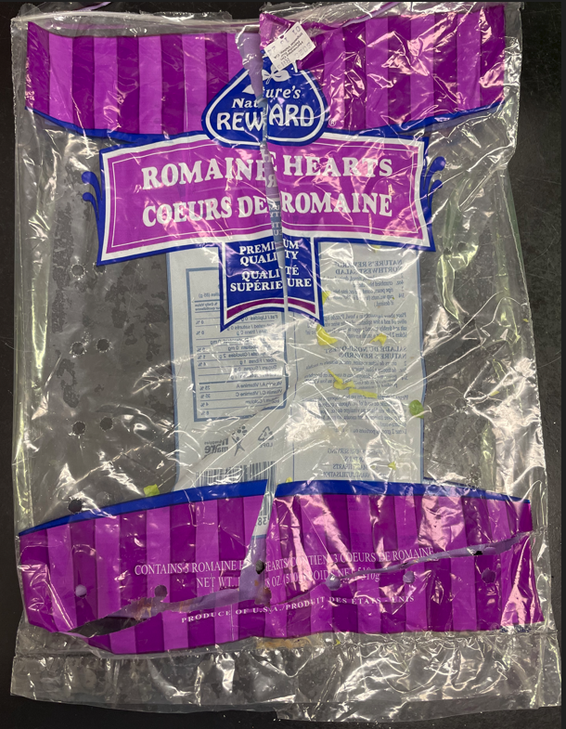
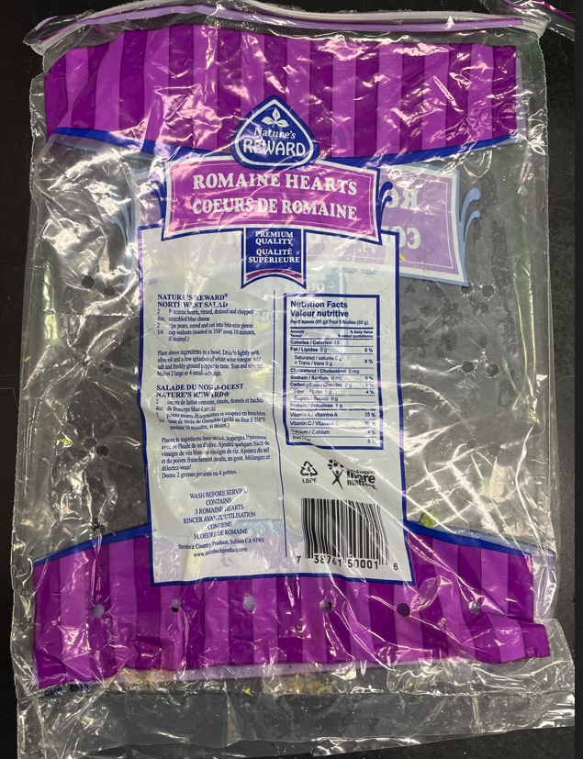
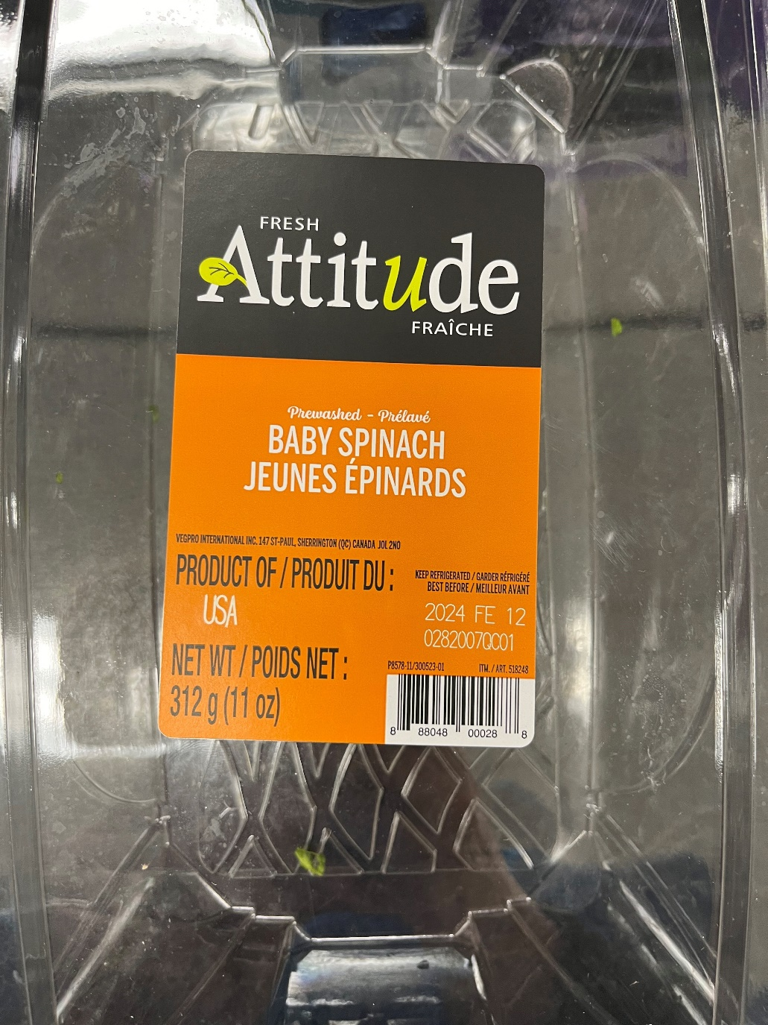
Status : | Approved
Category : | Fruits and vegetables |  |  |  |  |  |  |  | Results summary |  |  |  |  |  |  |  |  |  |  |  |  |  | Broth screening qPCR results |  |  |  |  |  |  |  |  |  | Pool screening results |  |  |  |  |  |  |  |  |  |  |  |  | Colony screening result - VT |  |  |  |  |  |  |  |  |  |  |  |  |  |  |  |  |  |  |  |  |  | CF qPCR result
Type : | Raw and raw processed
Food items : | Romaine hearts, baby spinach
Incub. Time : | 24h |  |  |  |  |  |  |  |  |  |  |  |  |  |  |  |  |  |  |  |  |  |  |  |  |  |  |  |  |  |  |  |  |  |  |  |  |  |  |  |  |  |  |  |  | Run #1 |  |  |  |  |  |  |  |  |  | Run #2
 |  |  |  |  |  |  |  |  |  |  |  | vt qPCR |  |  |  |  |  |  | Confirmation of neg. Samples |  | Sample Status |  | SGIL | Instagene (1) |  | PureGene (2) (3) |  |  |  |  |  |  | SGIL | Pool #1 - Rainbow (1) |  | Pool #2 - MAC-t (1) |  | Pool #3 - Rainbow (2) |  | Pool #4 MAC-t (2) |  | Pool #5 - MAC-t (2) |  | Pool #6 MAC-t (2) |  | SGIL | Pool | Colony 1 |  | Colony 2 |  | Colony 3 |  | Colony 4 |  | Colony 5 |  | Colony 6 |  | Colony 7 |  | Colony 8 |  | Colony 9 |  | Colony 10 |  | SGIL | Pool | Colony | CF qPCR
Sample Details |  |  |  |  |  |  |  |  | SGIL | Matrix | Level | Broth - Insta | Broth - Pgene | Pools | Colonies | CF qPCR | VITEK | Method result | Rainbow -4 sweep | MAC-T investig. | Broth screening | Isolation |  | FAM | HEX | FAM | HEX |  |  |  |  |  |  | FAM | HEX | FAM | HEX | FAM | HEX | FAM | HEX | FAM | HEX | FAM | HEX |  |  | FAM | HEX | FAM | HEX | FAM | HEX | FAM | HEX | FAM | HEX | FAM | HEX | FAM | HEX | FAM | HEX | FAM | HEX | FAM | HEX |  |  |  | FAM | HEX
Neg CTRL
Date of spiking |  |  |  | 2024-02-02 |  |  |  |  | 2023-03932 | Romaine hearts | Negative | - | - | - | n/a | n/a | n/a | Negative | - | n/a | TN | TN | 2023-03932 | No Ct | 28.4 | No Ct | 30.2 |  | Mean Ct - Unspiked |  |  |  | 2023-03932 | No Ct | 29.1 | No Ct | 28.8 | No Ct | 28.7 | No Ct | 29.3 | No Ct | 29.6 | No Ct | 28.8 | 2023-03932 | - |  |  |  |  |  |  |  |  |  |  |  |  |  |  |  |  |  |  |  |  | 2023-03932 | - | - | n/a | n/a
Analysis start date |  |  |  | 2024-02-05 |  |  |  |  | 2023-03933 | Romaine hearts | Negative | - | - | - | n/a | n/a | n/a | Negative | - | n/a | TN | TN | 2023-03933 | No Ct | 27.8 | No Ct | 29.9 |  | Instagene |  | PureGene |  | 2023-03933 | No Ct | 29.3 | No Ct | 29.1 | No Ct | 29.3 | No Ct | 28.6 | No Ct | 29.8 | No Ct | 28.9 | 2023-03933 | - |  |  |  |  |  |  |  |  |  |  |  |  |  |  |  |  |  |  |  |  | 2023-03933 | - | - | n/a | n/a
Sample Size |  |  |  | 25 g |  |  |  |  | 2023-03934 | Romaine hearts | Negative | - | - | - | n/a | n/a | n/a | Negative | - | n/a | TN | TN | 2023-03934 | No Ct | 28.2 | No Ct | 30.0 |  | FAM | HEX | FAM | HEX | 2023-03934 | No Ct | 28.4 | No Ct | 28.5 | No Ct | 28.4 | No Ct | 28.9 | No Ct | 28.9 | No Ct | 28.6 | 2023-03934 | - |  |  |  |  |  |  |  |  |  |  |  |  |  |  |  |  |  |  |  |  | 2023-03934 | - | - | n/a | n/a
Food Item #1 background microflora concentration |  |  |  | Romaine hearts : 3.2E+06 CFU/g |  |  |  |  | 2023-03935 | Baby spinach | Negative | - | - | - | n/a | n/a | n/a | Negative | - | n/a | TN | TN | 2023-03935 | No Ct | 27.9 | No Ct | 30.0 | Romaine | n/a | 28.13 | n/a | 30.05 | 2023-03935 | No Ct | 28.5 | No Ct | 29.1 | No Ct | 29.1 | No Ct | 28.3 | No Ct | 28.8 | No Ct | 29.3 | 2023-03935 | - |  |  |  |  |  |  |  |  |  |  |  |  |  |  |  |  |  |  |  |  | 2023-03935 | - | - | n/a | n/a
Food Item #2 background microflora concentration |  |  |  | Baby spinach : 6.4E+07 CFU/g |  |  |  |  | 2023-03936 | Baby spinach | Negative | - | - | - | n/a | n/a | n/a | Negative | - | n/a | TN | TN | 2023-03936 | No Ct | 28.0 | No Ct | 30.0 | Spinach | n/a | 27.96 | n/a | 30.03 | 2023-03936 | No Ct | 28.8 | No Ct | 28.6 | No Ct | 28.6 | No Ct | 28.2 | No Ct | 28.5 | No Ct | 28.1 | 2023-03936 | - |  |  |  |  |  |  |  |  |  |  |  |  |  |  |  |  |  |  |  |  | 2023-03936 | - | - | n/a | n/a
Method used to determine sample background microflora |  |  |  | MFHPB-18 : PCA, 35°C, 48h |  |  |  |  | 2023-03937 | Romaine hearts | 4.5 CFU/25 g | + | + | + | + | + | n/a | Positive | n/a | n/a | TP | TP | 2023-03937 | 22.8 | 27.7 | 18.9 | 30.7 |  |  |  |  |  | 2023-03937 | 18.7 | 28.4 | 18.0 | 28.8 |  |  |  |  |  |  |  |  | 2023-03937 | 1 | No Ct | 28.4 | No Ct | 28.7 | No Ct | 28.1 | 16.1 | 28.1 |  |  |  |  |  |  |  |  |  |  |  |  | 2023-03937 | 1 | 4 | 16.7 | 31.0
Romaine hearts
 |  |  |  |  |  |  |  |  | 2023-03938 | Romaine hearts | 4.5 CFU/25 g | + | + | + | + | + | n/a | Positive | n/a | n/a | TP | TP | 2023-03938 | 23.2 | 27.3 | 20.0 | 30.2 |  |  |  |  |  | 2023-03938 | 19.1 | 28.2 | 14.2 | 32.0 |  |  |  |  |  |  |  |  | 2023-03938 | 1 | No Ct | 29.1 | 16.3 | 30.4 | No Ct | 30.5 | No Ct | 30.3 |  |  |  |  |  |  |  |  |  |  |  |  | 2023-03938 | 1 | 2 | 17.1 | 30.8
Inoculum Details |  |  |  |  |  |  |  |  | 2023-03939 | Romaine hearts | 4.5 CFU/25 g | + | + | + | + | + | n/a | Positive | n/a | n/a | TP | TP | 2023-03939 | 23.5 | 26.6 | 20.4 | 30.2 |  |  |  |  |  | 2023-03939 | 17.6 | 28.2 | 16.1 | 28.7 |  |  |  |  |  |  |  |  | 2023-03939 | 1 | 16.7 | 30.7 | No Ct | 29.5 | No Ct | 29.8 | No Ct | 29.4 |  |  |  |  |  |  |  |  |  |  |  |  | 2023-03939 | 1 | 1 | 17.4 | 30.6
Strain ID |  |  |  | # 11-3088 : E. coli O104:H4, vtx2a, aggR, aaiC |  |  |  |  | 2023-03940 | Romaine hearts | 4.5 CFU/25 g | + | + | + | + | + | n/a | Positive | n/a | n/a | TP | TP | 2023-03940 | 22.5 | 28.9 | 19.1 | 30.2 |  |  |  |  |  | 2023-03940 | 16.9 | 27.7 | 15.7 | 28.7 |  |  |  |  |  |  |  |  | 2023-03940 | 1 | No Ct | 29.8 | 15.9 | 31.7 | No Ct | 29.7 | 16.8 | 30.6 |  |  |  |  |  |  |  |  |  |  |  |  | 2023-03940 | 1 | 2 | 16.3 | 29.7
Strain source (time of isolation, source commodity, geographic region of origin) |  |  |  | Clinical / Sprouts |  |  |  |  | 2023-03941 | Romaine hearts | 4.5 CFU/25 g | + | + | + | + | + | n/a | Positive | n/a | n/a | TP | TP | 2023-03941 | 23.4 | 27.5 | 20.6 | 29.5 |  |  |  |  |  | 2023-03941 | 16.5 | 28.8 | 16.1 | 30.6 |  |  |  |  |  |  |  |  | 2023-03941 | 1 | 15.9 | 31.2 | No Ct | 29.3 | 15.5 | 30.2 | No Ct | 29.9 |  |  |  |  |  |  |  |  |  |  |  |  | 2023-03941 | 1 | 1 | 16.3 | 30.4
Concentration of inoculum, volume used to spike: |  |  |  | Target = 5 CFU/100 µl; Actual = 4.5 CFU/100 µL |  |  |  |  | 2023-03942 | Romaine hearts | 4.5 CFU/25 g | + | + | + | + | + | n/a | Positive | n/a | n/a | TP | TP | 2023-03942 | 21.9 | 27.5 | 19.1 | 30.2 |  |  |  |  |  | 2023-03942 | 19.0 | 27.9 | 17.4 | 27.8 |  |  |  |  |  |  |  |  | 2023-03942 | 1 | 16.0 | 30.1 | 22.7 | 29.0 | No Ct | 29.8 | No Ct | 29.7 |  |  |  |  |  |  |  |  |  |  |  |  | 2023-03942 | 1 | 1 | 16.7 | 30.6
Method used to determine spiking concentration: |  |  |  | Plating onto TSA, 20 replicates, 35 °C, 18-24 h |  |  |  |  | 2023-03943 | Romaine hearts | 4.5 CFU/25 g | + | + | + | + | + | n/a | Positive | n/a | n/a | TP | TP | 2023-03943 | 23.8 | 28.5 | 18.9 | 30.0 |  |  |  |  |  | 2023-03943 | 16.7 | 28.2 | 15.5 | 30.9 |  |  |  |  |  |  |  |  | 2023-03943 | 1 | 15.6 | 31.2 | No Ct | 29.7 | 16.1 | 30.1 | 16.0 | 30.8 |  |  |  |  |  |  |  |  |  |  |  |  | 2023-03943 | 1 | 1 | 16.1 | 30.5
Equilibration conditions: |  |  |  | 2-8 °C, 3 days |  |  |  |  | 2023-03944 | Romaine hearts | 4.5 CFU/25 g | + | + | + | + | + | n/a | Positive | n/a | n/a | TP | TP | 2023-03944 | 23.9 | 32.9 | 20.8 | 29.5 |  |  |  |  |  | 2023-03944 | 18.1 | 28.1 | 14.7 | 29.6 |  |  |  |  |  |  |  |  | 2023-03944 | 1 | 15.6 | 30.4 | No Ct | 30.2 | No Ct | 29.3 | No Ct | 30.3 |  |  |  |  |  |  |  |  |  |  |  |  | 2023-03944 | 1 | 1 | 16.7 | 30.1
 |  |  |  |  |  |  |  |  | 2023-03945 | Romaine hearts | 4.5 CFU/25 g | + | + | + | + | + | n/a | Positive | n/a | n/a | TP | TP | 2023-03945 | 23.6 | 27.8 | 20.1 | 29.8 |  |  |  |  |  | 2023-03945 | 16.9 | 27.3 | 16.5 | 30.4 |  |  |  |  |  |  |  |  | 2023-03945 | 1 | No Ct | 30.3 | No Ct | 28.6 | 15.9 | 30.4 | 16.7 | 30.0 |  |  |  |  |  |  |  |  |  |  |  |  | 2023-03945 | 1 | 3 | 16.4 | 30.2
Was the inoculum stressed? |  |  |  |  |  | No |  |  | 2023-03946 | Romaine hearts | 4.5 CFU/25 g | + | + | + | + | + | n/a | Positive | n/a | n/a | TP | TP | 2023-03946 | 22.1 | 27.4 | 18.0 | 30.4 |  |  |  |  |  | 2023-03946 | 17.4 | 28.2 | 16.1 | 28.3 |  |  |  |  |  |  |  |  | 2023-03946 | 1 | 16.3 | 30.9 | 15.7 | 30.5 | No Ct | 30.5 | 15.8 | 31.4 |  |  |  |  |  |  |  |  |  |  |  |  | 2023-03946 | 1 | 1 | 16.9 | 29.9
Stressing Conditions: |  |  |  | n/a |  |  |  |  | 2023-03947 | Baby spinach | 4.5 CFU/25 g | + | + | + | + | + | n/a | Positive | n/a | n/a | TP | TP | 2023-03947 | 25.4 | 28.2 | 21.2 | 29.7 |  |  |  |  |  | 2023-03947 | No Ct | 27.9 | 20.0 | 26.7 |  |  |  |  |  |  |  |  | 2023-03947 | 2 | No Ct | 30.0 | No Ct | 29.1 | No Ct | 29.2 | No Ct | 29.2 | No Ct | 29.5 | No Ct | 29.5 | No Ct | 30.0 | 16.0 | 29.9 | No Ct | 29.7 | 16.2 | 30.0 | 2023-03947 | 2 | 8 | 16.1 | 30.9
Baby spinach
Stress level: |  |  |  | n/a |  |  |  |  | 2023-03948 | Baby spinach | 4.5 CFU/25 g | + | + | + | + | + | n/a | Positive | n/a | n/a | TP | TP | 2023-03948 | 26.3 | 28.0 | 22.5 | 29.5 |  |  |  |  |  | 2023-03948 | 22.7 | 27.6 | 19.2 | 27.1 |  |  |  |  |  |  |  |  | 2023-03948 | 1 | No Ct | 29.0 | No Ct | 29.1 | No Ct | 28.4 | No Ct | 29.8 | No Ct | 29.8 | No Ct | 30.6 | No Ct | 29.7 | No Ct | 30.0 | 19.2 | 29.5 | No Ct | 28.9 | 2023-03948 | 1 | 9 | 19.9 | 29.6
How was the stress level determined? (Please include counts and agar choices) |  |  |  | n/a |  |  |  |  | 2023-03949 | Baby spinach | 4.5 CFU/25 g | + | + | + | + | + | n/a | Positive | n/a | n/a | TP | TP | 2023-03949 | 24.2 | 27.4 | 21.1 | 29.1 |  |  |  |  |  | 2023-03949 | 19.3 | 27.4 | 22.8 | 27.9 |  |  |  |  |  |  |  |  | 2023-03949 | 1 | No Ct | 29.0 | No Ct | 29.1 | No Ct | 29.1 | No Ct | 30.0 | No Ct | 29.3 | No Ct | 29.1 | 15.6 | 29.1 | 17.2 | 30.0 | No Ct | 29.6 | No Ct | 29.8 | 2023-03949 | 1 | 7 | 16.2 | 30.5
 |  |  |  |  |  |  |  |  | 2023-03950 | Baby spinach | 4.5 CFU/25 g | + | + | + | + | + | n/a | Positive | n/a | n/a | TP | TP | 2023-03950 | 25.6 | 27.3 | 21.5 | 29.5 |  |  |  |  |  | 2023-03950 | No Ct | 28.1 | 21.0 | 28.2 |  |  |  |  |  |  |  |  | 2023-03950 | 2 | No Ct | 28.8 | No Ct | 28.7 | No Ct | 29.1 | 18.2 | 28.5 |  |  |  |  |  |  |  |  |  |  |  |  | 2023-03950 | 2 | 4 | 18.4 | 28.9
Was a Co-Inoculum Used? |  |  |  |  |  | Yes |  |  | 2023-03951 | Baby spinach | 4.5 CFU/25 g | + | + | + | + | + | n/a | Positive | n/a | n/a | TP | TP | 2023-03951 | 25.0 | 28.0 | 21.1 | 29.5 |  |  |  |  |  | 2023-03951 | No Ct | 28.0 | 19.1 | 27.2 |  |  |  |  |  |  |  |  | 2023-03951 | 2 | No Ct | 30.0 | No Ct | 29.1 | No Ct | 29.0 | No Ct | 28.8 | No Ct | 29.6 | No Ct | 29.3 | 15.3 | 29.9 | No Ct | 29.5 | No Ct | 29.3 | No Ct | 29.5 | 2023-03951 | 2 | 7 | 16.4 | 30.7
Strain ID of co-inoculum: |  |  |  | # FD-51 : generic E. coli |  |  |  |  | 2023-03952 | Baby spinach | 4.5 CFU/25 g | + | + | + | + | + | n/a | Positive | n/a | n/a | TP | TP | 2023-03952 | 24.4 | 27.9 | 20.7 | 29.3 |  | Mean Ct - Low level |  |  |  | 2023-03952 | 18.9 | 27.4 | 20.1 | 27.3 |  |  |  |  |  |  |  |  | 2023-03952 | 1 | 16.0 | 28.4 | No Ct | 29.0 | No Ct | 29.3 | No Ct | 30.7 |  |  |  |  |  |  |  |  |  |  |  |  | 2023-03952 | 1 | 1 | 16.6 | 30.4
Strain source |  |  |  | Spinach |  |  |  |  | 2023-03953 | Baby spinach | 4.5 CFU/25 g | + | + | + | + | + | n/a | Positive | n/a | n/a | TP | TP | 2023-03953 | 26.3 | 27.4 | 22.7 | 29.1 |  | Instagene |  | PureGene |  | 2023-03953 | No Ct | 27.7 | 18.3 | 28.1 |  |  |  |  |  |  |  |  | 2023-03953 | 2 | No Ct | 28.7 | No Ct | 28.2 | 17.5 | 28.5 | No Ct | 28.9 |  |  |  |  |  |  |  |  |  |  |  |  | 2023-03953 | 2 | 3 | 17.8 | 29.4
Where all spiked samples co-inoculated? |  |  |  | Yes |  |  |  |  | 2023-03954 | Baby spinach | 4.5 CFU/25 g | + | + | + | + | + | n/a | Positive | + | n/a | TP | TP | 2023-03954 | 26.2 | 28.1 | 22.5 | 29.4 |  | FAM | HEX | FAM | HEX | 2023-03954 | No Ct | 28.8 | No Ct | 28.2 | No Ct | 28.5 | 20.7 | 27.9 | 19.2 | 29.6 | 19.0 | 27.8 | 2023-03954 | 4 | No Ct | 29.0 | No Ct | 29.5 | No Ct | 30.3 | No Ct | 29.3 | No Ct | 29.1 | 16.3 | 29.5 | No Ct | 29.4 | No Ct | 29.6 | No Ct | 29.4 | No Ct | 30.0 | 2023-03954 | 4 | 6 | 16.8 | 29.4
Concentration of inoculum, volume used to spike: |  |  |  | Target = 50 CFU/100 µL; Actual = 41.4 CFU/100 µL |  |  |  |  | 2023-03955 | Baby spinach | 4.5 CFU/25 g | + | + | + | + | + | n/a | Positive | n/a | n/a | TP | TP | 2023-03955 | 27.5 | 26.8 | 21.8 | 29.4 | Romaine | 23.08 | 28.23 | 19.60 | 30.07 | 2023-03955 | No Ct | 28.3 | 18.2 | 28.1 |  |  |  |  |  |  |  |  | 2023-03955 | 2 | No Ct | 28.55 | 16.0 | 28.23 | No Ct | 28.58 | No Ct | 28.83 |  |  |  |  |  |  |  |  |  |  |  |  | 2023-03955 | 2 | 2 | 16.3 | 29.65
Stressing conditions (if applicable): |  |  |  | n/a |  |  |  |  | 2023-03956 | Baby spinach | 4.5 CFU/25 g | + | + | + | + | + | n/a | Positive | n/a | n/a | TP | TP | 2023-03956 | 25.0 | 27.6 | 20.3 | 28.8 | Spinach | 25.58 | 27.68 | 21.53 | 29.33 | 2023-03956 | 19.1 | 27.8 | 18.4 | 28.2 |  |  |  |  |  |  |  |  | 2023-03956 | 1 | No Ct | 28.40 | 16.3 | 28.42 | No Ct | 28.96 | No Ct | 28.69 |  |  |  |  |  |  |  |  |  |  |  |  | 2023-03956 | 1 | 2 | 17.3 | 29.52
Stress level (if applicable): |  |  |  | n/a |  |  |  |  |  |  |  |  |  |  |  |  |  |  | 2023-03954 - Ct FAM = 27.2 |  |  |  | CP | 21.6 | 28.1 | 19.2 | 29.4 |  |  |  |  |  | CP | 15.6 | 28.2 |  |  |  |  |  |  |  |  |  |  | CP | - | 18.9 | 28.4 |  |  |  |  |  |  | 19.6 | 29.2 |  |  |  |  |  |  |  |  |  |  | CP | - | - | 20.6 | 28.4
How was the stress level determined? (Please include counts and agar choices) (if applicable) |  |  |  | n/a |  |  |  |  |  |  |  |  |  |  |  |  |  |  | 2023-03954 - Ct HEX = 30.2 |  |  |  | CN | No Ct | 28.0 | No Ct | 29.2 |  |  |  |  |  | CN | No Ct | 28.5 | No Ct | 28.2 | No Ct | 28.0 | No Ct | 27.7 | No Ct | 27.9 | No Ct | 27.8 | CN | - | No Ct | 29.7 |  |  |  |  |  |  | No Ct | 29.6 |  |  |  |  |  |  |  |  |  |  | CN | - | - | No Ct | 29.3
 |  |  |  |  |  |  |  |  | Performance |  |  |  |  |  |  |  |  |  |  |  |  |  | CS | No Ct | 27.4 | No Ct | 29.2 |  |  |  |  |  | NTC | No Ct | 28.4 |  |  |  |  |  |  |  |  |  |  | NTC | - | No Ct | 29.5 |  |  |  |  |  |  | No Ct | 29.7 |  |  |  |  |  |  |  |  |  |  | NTC | - | - | No Ct | 29.4
PREPARATION OF INOCULUM |  |  |  |  |  |  |  |  |  |  |  |  |  |  |  |  |  |  |  |  |  |  | NTC | No Ct | 28.2 | No Ct | 29.0 |  |  |  |  |  | (1) Raw data file : 20240207_150355_CT036336_VT et CF.pcrd |  |  |  |  |  |  |  |  |  |  |  |  | Raw data file : 20240208_125023_CT036336_VT et CF.pcrd (except 2023-03954) |  |  |  |  |  |  |  |  |  | Raw data file : 20240215_131953_CT036336_VT et CF.pcrd |  |  |  |  |  |  |  |  |  |  |  | Raw data file : 20240221_111159_CT036336_VT et CF
VTEC E. coli 11-3088 |  |  |  |  |  |  |  |  |  |  |  |  |  |  |  |  |  |  |  |  |  |  | (1) Raw data filename : 20240206_120559_CT036336_VT et CF.pcrd |  |  |  |  |  |  |  |  |  | (2) Raw data file : 20240208_125023_CT036336_VT et CF.pcrd (2023-03954 pools #3 to #6)
Plating (TSA) : | 2024-02-01 |  |  |  |  |  |  |  | Screening | TP | TN | FP | FN |  | Sensitivity | 100% |  |  |  |  |  |  | (2) Raw data filename : 20240206_140436_CT036336_VT et CF.pcrd
Reading : | 2024-02-02 |  |  |  |  |  |  |  | Unspiked | 0 | 5 | 0 | 0 |  | Specificity | 100% |  |  |  |  |  |  | (3) Raw data filename for sample 2023-03956 : 20240207_150355_CT036336_VT et CF.pcrd
Volume / plate : | 100 µL |  |  |  |  |  |  |  | Spiked | 20 | 0 | 0 | 0 |  | FN rate | 0%
 |  |  |  |  |  |  |  |  |  | 20 | 5 | 0 | 0 |  | FP rate | 0%
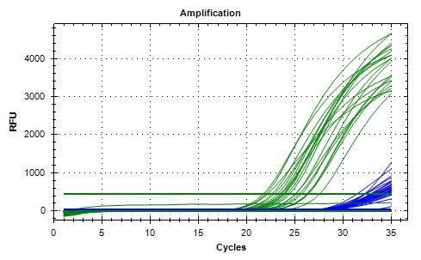
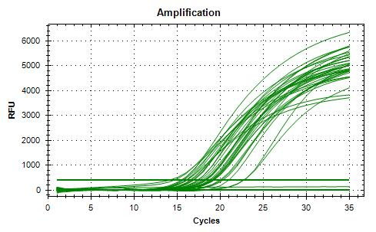
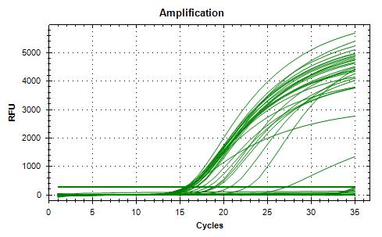
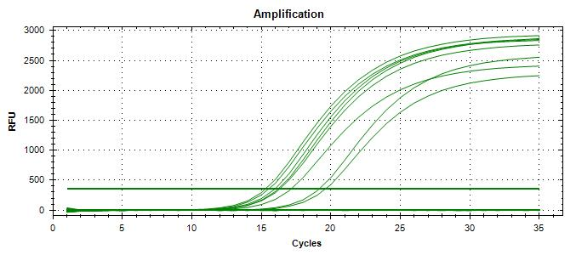
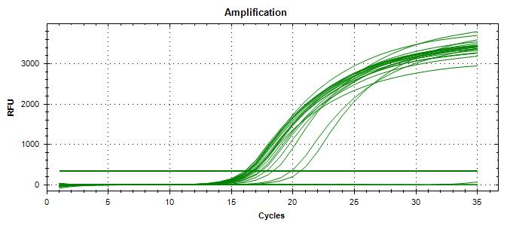
Dilution | Rep 1 | Rep 2 | CFU/mL |  |  |  |  |  |  |  |  |  |  |  | Agreement | 100%
1.0E-04 | > 150 | > 150 | 6250
1.0E-05 | 60 | 65 | 625 | >> 800 µL + 9.20 mL peptone water >> 5 CFU/100 µL
1.0E-06 | 7 | 9 | 63 |  |  |  |  |  | Isolation | TP | TN | FP | FN |  | Sensitivity | 100%
Dilution in bold used for calculations |  |  |  |  |  |  |  |  | Unspiked | 0 | 5 | 0 | 0 |  | Specificity | 100%
 |  |  |  |  |  |  |  |  | Spiked | 20 | 0 | 0 | 0 |  | FN rate | 0%
Generic E. coli FD-51 |  |  |  |  |  |  |  |  |  | 20 | 5 | 0 | 0 |  | FP rate | 0%
Plating (TSA) : | 2024-02-01 |  |  |  |  |  |  |  |  |  |  |  |  |  | Agreement | 100%
Reading : | 2024-02-02
Volume / plate : | 100 µL

Plate sweep of
sample 2023-03954
(Rainbow, 1E-04)
Dilution | Rep 1 | Rep 2 | CFU/mL
1.0E-04 | > 150 | > 150 | 6400 | >> 780 µL + 9.22 mL peptone water >> 50 CFU/100 µL
1.0E-05 | 70 | 58 | 640
1.0E-06 | 4 | 4 | 64
Dilution in bold used for calculations |  |  |  |  |  |  |  |  |  |  |  |  |  |  |  |  |  |  |  |  |  |  | 20240206_120559_CT036336_VT et CF.pcrd (Instagene) |  |  |  |  |  |  |  |  |  | 20240207_150355_CT036336_VT et CF.pcrd |  |  |  |  |  |  |  |  |  |  |  |  | 20240208_125023_CT036336_VT et CF.pcrd (except 2023-03954) |  |  |  |  |  |  |  |  |  | 20240215_131953_CT036336_VT et CF.pcrd |  |  |  |  |  |  |  |  |  |  |  | 20240221_111159_CT036336_VT et CF

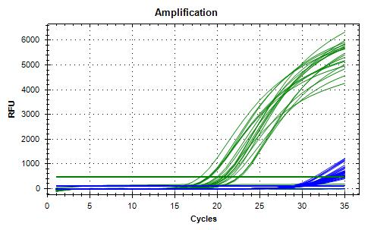
VERIFICATION OF FINAL INOCULUM
VTEC E. coli 11-3088 |  |  | CFU/plate
Plating (TSA) : | 2024-02-02 |  | 0 | 3 | 3 | 5 | Mean : | 4.5 | << Actual spiking level (target)
Reading : | 2024-02-03 |  | 4 | 3 | 8 | 5 | POS : | 19 | << 95%
Volume / plate : | 100 µL |  | 3 | 7 | 6 | 2 | NEG : | 1 | << 5%
 |  |  | 7 | 2 | 5 | 4
 |  |  | 2 | 5 | 5 | 11

Generic E. coli FD-51 |  |  | CFU/plate
Plating (TSA) : | 2024-02-02 |  | 40 | 45 | 35 | 26 | Mean : | 41.4 | << Actual spiking level (co-inoculum)
Reading : | 2024-02-03 |  | 48 | 44 | 32 | 51 | POS : | 20 | << 100%
Volume / plate : | 100 µL |  | 39 | 29 | 42 | 52 | NEG : | 0 | << 0%
 |  |  | 47 | 40 | 32 | 50
 |  |  | 39 | 57 | 39 | 40
 |  |  |  |  |  |  |  |  |  |  |  |  |  |  |  |  |  |  |  |  |  |  | 20240206_140436_CT036336_VT et CF.pcrd (PureGene)

BACKGROUND MICROFLORA (MFHPB-18)
Romaine hearts
Plating (PCA) : | 2024-02-06
Reading : | 2024-02-08
Volume / plate : | 1 mL

Dilution | Rep 1 | Rep 2 | CFU/g
1.0E-01 | TNTC | TNTC
1.0E-02 | TNTC | TNTC
1.0E-03 | TNTC | TNTC
1.0E-04 | 302 | 334 | 3.2E+06
1.0E-05 | 27 | 34
1.0E-06 | 3 | 5
1.0E-07 | 0 | 0

Baby spinach
Plating (PCA) : | 2024-02-06
Reading : | 2024-02-08
Volume / plate : | 1 mL

Dilution | Rep 1 | Rep 2 | CFU/g
1.0E-01 | TNTC | TNTC
1.0E-02 | TNTC | TNTC
1.0E-03 | TNTC | TNTC
1.0E-04 | TNTC | TNTC
1.0E-05 | > 300 | > 300
1.0E-06 | 57 | 71 | 6.4E+07
1.0E-07 | 6 | 4

Run #2
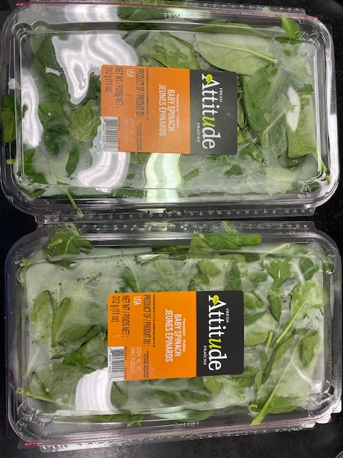
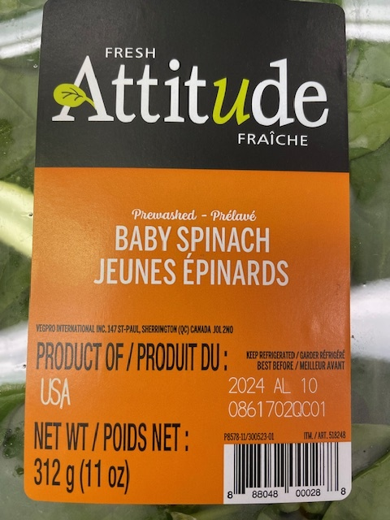
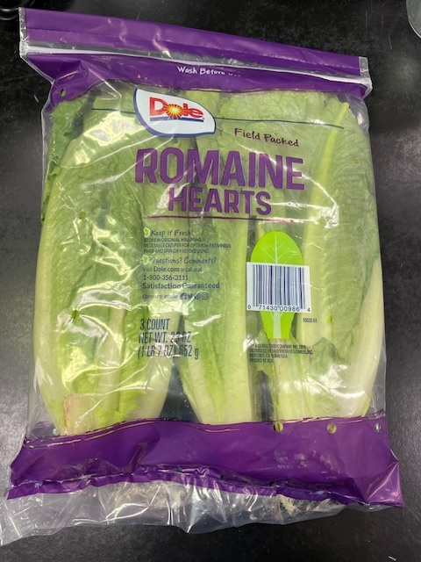
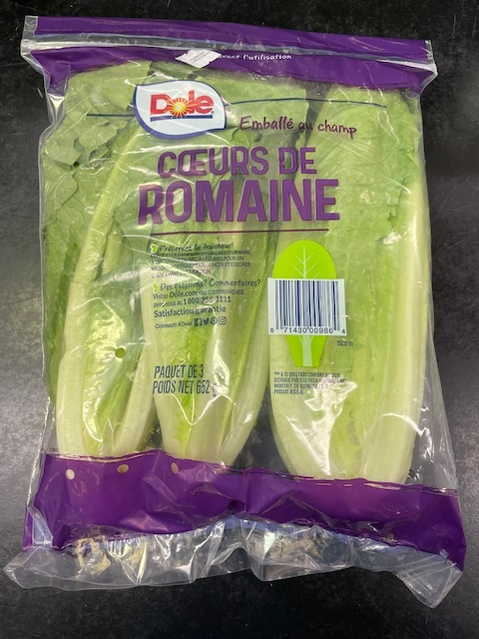
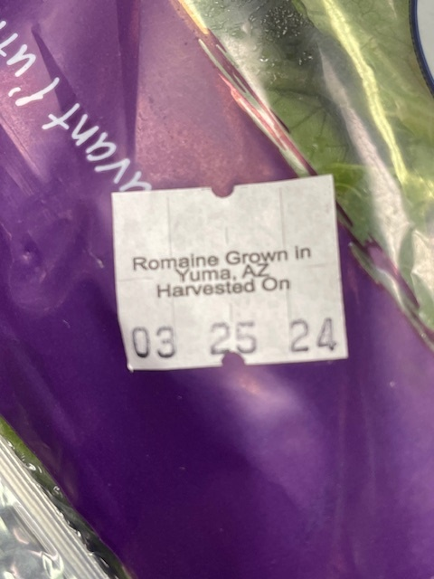
Status : | Approved
Category : | Fruits and vegetables |  |  |  |  |  |  |  | Results summary |  |  |  |  |  |  |  |  |  |  |  |  | Broth screening qPCR results |  |  |  |  |  |  |  |  |  | Pool screening results |  |  |  |  |  |  |  |  |  |  |  |  | Colony screening result - VT |  |  |  |  |  |  |  |  |  |  |  |  |  |  |  |  |  |  |  |  |  | CF qPCR result
Type : | Raw and raw processed
Food items : | Romaine hearts, baby spinach
Incub. Time : | 24h |  |  |  |  |  |  |  |  |  |  |  |  |  |  |  |  |  |  |  |  |  |  |  |  |  |  |  |  |  |  |  |  |  |  |  |  |  |  |  |  |  |  |  | Run #1 |  |  |  |  |  |  |  |  |  | Run #2
 |  |  |  |  |  |  |  |  |  |  |  | vt qPCR |  |  |  |  |  |  | (Neg. Confirm.) | Sample Status |  | SGIL | Instagene (1) |  | PureGene (2) (3) |  |  |  |  |  |  | SGIL | Pool #1 (Rainbow) |  | Pool #2 (MAC-T) |  | Pool #3 |  | Pool #4 |  | Pool #5 |  | Pool #6 |  | SGIL | Pool | Colony 1 |  | Colony 2 |  | Colony 3 |  | Colony 4 |  | Colony 5 |  | Colony 6 |  | Colony 7 |  | Colony 8 |  | Colony 9 |  | Colony 10 |  | SGIL | Pool | Colony | CF qPCR
Sample Details |  |  |  |  |  |  |  |  | SGIL | Matrix | Level | Broth - Insta | Broth - Pgene | Pools | Colonies | CF qPCR | VITEK | Method result | Plate sweep | Broth screening | Isolation |  | FAM | HEX | FAM | HEX |  |  |  |  |  |  | FAM | HEX | FAM | HEX | FAM | HEX | FAM | HEX | FAM | HEX | FAM | HEX |  |  | FAM | HEX | FAM | HEX | FAM | HEX | FAM | HEX | FAM | HEX | FAM | HEX | FAM | HEX | FAM | HEX | FAM | HEX | FAM | HEX |  |  |  | FAM | HEX
Neg CTRL
Date of spiking |  |  |  | 2024-04-05 |  |  |  |  | 2024-0001 | Romaine hearts | Negative | - | - | - | n/a | n/a | n/a | Negative | - | TN | TN | 2024-0001 | No Ct | 29.8 | No Ct | 29.5 |  | Mean Ct - Unspiked |  |  |  | 2024-0001 | No Ct | 29.7 | No Ct | 29.7 | No Ct | 30.1 | No Ct | 29.9 | No Ct | 30.1 | No Ct | 30.1 | 2024-0001 | - |  |  |  |  |  |  |  |  |  |  |  |  |  |  |  |  |  |  |  |  | 2024-0001 | -
Analysis start date |  |  |  | 2024-04-08 |  |  |  |  | 2024-0002 | Romaine hearts | Negative | - | - | - | n/a | n/a | n/a | Negative | - | TN | TN | 2024-0002 | No Ct | 29.5 | No Ct | 29.6 |  | Instagene |  | PureGene |  | 2024-0002 | No Ct | 30.1 | No Ct | 29.8 | No Ct | 30.1 | No Ct | 29.6 | No Ct | 29.8 | No Ct | 29.9 | 2024-0002 | - |  |  |  |  |  |  |  |  |  |  |  |  |  |  |  |  |  |  |  |  | 2024-0002 | -
Sample Size |  |  |  | 25 g |  |  |  |  | 2024-0003 | Romaine hearts | Negative | - | - | - | n/a | n/a | n/a | Negative | - | TN | TN | 2024-0003 | No Ct | 29.8 | No Ct | 29.9 |  | FAM | HEX | FAM | HEX | 2024-0003 | No Ct | 29.7 | No Ct | 30.0 | No Ct | 29.8 | No Ct | 30.1 | No Ct | 29.9 | No Ct | 29.7 | 2024-0003 | - |  |  |  |  |  |  |  |  |  |  |  |  |  |  |  |  |  |  |  |  | 2024-0003 | -
Food Item #1 background microflora concentration |  |  |  | Romaine hearts : 1.2E+03 CFU/g |  |  |  |  | 2024-0004 | Baby spinach | Negative | - | - | - | n/a | n/a | n/a | Negative | - | TN | TN | 2024-0004 | No Ct | 29.7 | No Ct | 30.1 | Romaine | n/a | 29.70 | n/a | 29.66 | 2024-0004 | No Ct | 29.9 | No Ct | 29.9 | No Ct | 29.8 | No Ct | 30.1 | No Ct | 29.7 | No Ct | 29.9 | 2024-0004 | - |  |  |  |  |  |  |  |  |  |  |  |  |  |  |  |  |  |  |  |  | 2024-0004 | -
Food Item #2 background microflora concentration |  |  |  | Baby spinach : 7.3E+06 CFU/g |  |  |  |  | 2024-0005 | Baby spinach | Negative | - | - | - | n/a | n/a | n/a | Negative | - | TN | TN | 2024-0005 | No Ct | 29.8 | No Ct | 29.9 | Spinach | n/a | 29.76 | n/a | 29.99 | 2024-0005 | No Ct | 30.1 | No Ct | 30.1 | No Ct | 30.2 | No Ct | 30.1 | No Ct | 30.1 | No Ct | 30.3 | 2024-0005 | - |  |  |  |  |  |  |  |  |  |  |  |  |  |  |  |  |  |  |  |  | 2024-0005 | -
Method used to determine sample background microflora |  |  |  | MFHPB-18 : PCA, 35°C, 48h |  |  |  |  | 2024-0006 | Romaine hearts | 0.4 CFU/25 g | - | - | - | n/a | n/a | n/a | Negative | - | TN | TN | 2024-0006 | No Ct | 29.9 | No Ct | 30.2 |  |  |  |  |  | 2024-0006 | No Ct | 29.1 | No Ct | 29.1 | No Ct | 29.4 | No Ct | 29.5 | No Ct | 29.2 | No Ct | 29.4 | 2024-0006 | - |  |  |  |  |  |  |  |  |  |  |  |  |  |  |  |  |  |  |  |  | 2024-0006 | -
Romaine hearts
 |  |  |  |  |  |  |  |  | 2024-0007 | Romaine hearts | 0.4 CFU/25 g | + | + | + | + | + | n/a | Positive | n/a | TP | TP | 2024-0007 | 20.2 | 29.7 | 16.6 | 30.6 |  |  |  |  |  | 2024-0007 | 17.8 | 30.0 | 18.0 | 29.8 |  |  |  |  |  |  |  |  | 2024-0007 | 1 | No Ct | 30.0 | 16.2 | 30.8 | No Ct | 30.1 | No Ct | 30.1 |  |  |  |  |  |  |  |  |  |  |  |  | 2024-0007 | 1 | 2 | 15.8 | 27.8
Inoculum Details |  |  |  |  |  |  |  |  | 2024-0008 | Romaine hearts | 0.4 CFU/25 g | + | + | + | + | + | n/a | Positive | n/a | TP | TP | 2024-0008 | 22.0 | 29.6 | 21.1 | 30.0 |  |  |  |  |  | 2024-0008 | 19.2 | 29.2 | 17.6 | 29.7 |  |  |  |  |  |  |  |  | 2024-0008 | 1 | No Ct | 30.1 | No Ct | 30.1 | No Ct | 29.7 | No Ct | 30.1 | No Ct | 29.19 | No Ct | 29.37 | No Ct | 29.67 | No Ct | 27.31 | 15.85 | 30.19 | No Ct | 29.35 | 2024-0008 | 1 | 9 | 14.8 | 28.2
Strain ID |  |  |  | # 11-3088 : E. coli O104:H4, vtx2a, aggR, aaiC |  |  |  |  | 2024-0009 | Romaine hearts | 0.4 CFU/25 g | + | + | + | + | + | n/a | Positive | n/a | TP | TP | 2024-0009 | 24.5 | 29.3 | 23.1 | 29.3 |  |  |  |  |  | 2024-0009 | 18.7 | 29.2 | 18.1 | 29.2 |  |  |  |  |  |  |  |  | 2024-0009 | 1 | No Ct | 29.8 | 16.3 | 30.7 | No Ct | 29.5 | No Ct | 29.7 |  |  |  |  |  |  |  |  |  |  |  |  | 2024-0009 | 1 | 2 | 16.1 | 27.3
Strain source (time of isolation, source commodity, geographic region of origin) |  |  |  | Clinical / Sprouts |  |  |  |  | 2024-0010 | Romaine hearts | 0.4 CFU/25 g | - | - | - | n/a | n/a | n/a | Negative | - | TN | TN | 2024-0010 | No Ct | 29.6 | No Ct | 29.6 |  |  |  |  |  | 2024-0010 | No Ct | 29.1 | No Ct | 29.5 | No Ct | 29.1 | No Ct | 29.3 | No Ct | 28.9 | No Ct | 28.8 | 2024-0010 | - |  |  |  |  |  |  |  |  |  |  |  |  |  |  |  |  |  |  |  |  | 2024-0010 | -
Concentration of inoculum, volume used to spike: |  |  |  | Target = 1.0 CFU/100 µl; Actual = 0.4 CFU/100 µL |  |  |  |  | 2024-0011 | Romaine hearts | 0.4 CFU/25 g | + | + | + | + | + | n/a | Positive | n/a | TP | TP | 2024-0011 | 23.0 | 29.5 | 20.1 | 29.7 |  |  |  |  |  | 2024-0011 | 19.2 | 29.0 | 17.8 | 29.3 |  |  |  |  |  |  |  |  | 2024-0011 | 1 | 15.5 | 30.7 | No Ct | 29.7 | No Ct | 29.6 | No Ct | 30.7 |  |  |  |  |  |  |  |  |  |  |  |  | 2024-0011 | 1 | 1 | 15.8 | 28.4
Method used to determine spiking concentration: |  |  |  | Plating onto TSA, 20 replicates, 35 °C, 18-24 h |  |  |  |  | 2024-0012 | Romaine hearts | 0.4 CFU/25 g | + | + | + | + | + | n/a | Positive | n/a | TP | TP | 2024-0012 | 21.4 | 29.4 | 19.0 | 30.0 |  |  |  |  |  | 2024-0012 | 18.4 | 29.4 | 18.1 | 29.2 |  |  |  |  |  |  |  |  | 2024-0012 | 1 | No Ct | 29.7 | No Ct | 29.8 | No Ct | 30.1 | 16.4 | 30.2 |  |  |  |  |  |  |  |  |  |  |  |  | 2024-0012 | 1 | 4 | 16.3 | 27.7
Equilibration conditions: |  |  |  | 2-8 °C, 3 days |  |  |  |  | 2024-0013 | Romaine hearts | 0.4 CFU/25 g | - | - | - | n/a | n/a | n/a | Negative | - | TN | TN | 2024-0013 | No Ct | 29.6 | No Ct | 29.8 |  |  |  |  |  | 2024-0013 | No Ct | 29.2 | No Ct | 29.3 | No Ct | 29.2 | No Ct | 29.8 | No Ct | 29.2 | No Ct | 29.1 | 2024-0013 | - |  |  |  |  |  |  |  |  |  |  |  |  |  |  |  |  |  |  |  |  | 2024-0013 | -
 |  |  |  |  |  |  |  |  | 2024-0014 | Romaine hearts | 0.4 CFU/25 g | - | - | - | n/a | n/a | n/a | Negative | - | TN | TN | 2024-0014 | No Ct | 29.9 | No Ct | 30.1 |  |  |  |  |  | 2024-0014 | No Ct | 29.2 | No Ct | 29.3 | No Ct | 29.2 | No Ct | 29.2 | No Ct | 29.0 | No Ct | 28.9 | 2024-0014 | - |  |  |  |  |  |  |  |  |  |  |  |  |  |  |  |  |  |  |  |  | 2024-0014 | -
Was the inoculum stressed? |  |  |  |  |  | No |  |  | 2024-0015 | Romaine hearts | 0.4 CFU/25 g | - | - | - | n/a | n/a | n/a | Negative | - | TN | TN | 2024-0015 | No Ct | 29.6 | No Ct | 29.8 |  |  |  |  |  | 2024-0015 | No Ct | 29.3 | No Ct | 29.0 | No Ct | 29.1 | No Ct | 29.2 | No Ct | 29.0 | No Ct | 29.1 | 2024-0015 | - |  |  |  |  |  |  |  |  |  |  |  |  |  |  |  |  |  |  |  |  | 2024-0015 | -
Stressing Conditions: |  |  |  | n/a |  |  |  |  | 2024-0016 | Baby spinach | 0.4 CFU/25 g | + | + | + | + | + | n/a | Positive | n/a | TP | TP | 2024-0016 | 26.0 | 30.1 | 22.3 | 30.1 |  |  |  |  |  | 2024-0016 | No Ct | 29.0 | 17.9 | 29.2 |  |  |  |  |  |  |  |  | 2024-0016 | 2 | 17.1 | 29.9 | 15.3 | 30.8 | 15.9 | 30.5 | 15.8 | 30.8 |  |  |  |  |  |  |  |  |  |  |  |  | 2024-0016 | 2 | 1 | 17.2 | 27.5
Baby spinach
Stress level: |  |  |  | n/a |  |  |  |  | 2024-0017 | Baby spinach | 0.4 CFU/25 g | + | + | + | + | + | n/a | Positive | n/a | TP | TP | 2024-0017 | 24.2 | 29.2 | 21.7 | 29.4 |  |  |  |  |  | 2024-0017 | No Ct | 29.1 | 18.1 | 29.5 |  |  |  |  |  |  |  |  | 2024-0017 | 2 | 15.7 | 30.6 | 16.2 | 30.8 | 15.7 | 30.4 | 15.7 | 30.6 |  |  |  |  |  |  |  |  |  |  |  |  | 2024-0017 | 2 | 1 | 15.8 | 27.5
How was the stress level determined? (Please include counts and agar choices) |  |  |  | n/a |  |  |  |  | 2024-0018 | Baby spinach | 0.4 CFU/25 g | + | + | + | + | + | n/a | Positive | n/a | TP | TP | 2024-0018 | 24.4 | 29.3 | 21.1 | 29.0 |  |  |  |  |  | 2024-0018 | No Ct | 28.9 | 18.5 | 29.6 |  |  |  |  |  |  |  |  | 2024-0018 | 2 | 15.3 | 30.8 | 16.4 | 30.1 | 16.2 | 30.4 | 17.1 | 30.2 |  |  |  |  |  |  |  |  |  |  |  |  | 2024-0018 | 2 | 1 | 15.1 | 27.6
 |  |  |  |  |  |  |  |  | 2024-0019 | Baby spinach | 0.4 CFU/25 g | - | - | - | n/a | n/a | n/a | Negative | - | TN | TN | 2024-0019 | No Ct | 29.6 | No Ct | 29.6 |  |  |  |  |  | 2024-0019 | No Ct | 29.0 | No Ct | 28.9 | No Ct | 28.8 | No Ct | 28.8 | No Ct | 29.0 | No Ct | 29.0 | 2024-0019 | - |  |  |  |  |  |  |  |  |  |  |  |  |  |  |  |  |  |  |  |  | 2024-0019 | -
Was a Co-Inoculum Used? |  |  |  |  |  | Yes |  |  | 2024-0020 | Baby spinach | 0.4 CFU/25 g | + | + | + | + | + | n/a | Positive | n/a | TP | TP | 2024-0020 | 26.9 | 29.5 | 23.7 | 29.3 |  |  |  |  |  | 2024-0020 | No Ct | 29.1 | 19.0 | 29.7 |  |  |  |  |  |  |  |  | 2024-0020 | 2 | 16.0 | 30.2 | 16.2 | 30.6 | No Ct | 29.8 | No Ct | 30.0 |  |  |  |  |  |  |  |  |  |  |  |  | 2024-0020 | 2 | 1 | 16.2 | 27.1
Strain ID of co-inoculum: |  |  |  | # FD-51 : generic E. coli |  |  |  |  | 2024-0021 | Baby spinach | 0.4 CFU/25 g | - | - | - | n/a | n/a | n/a | Negative | - | TN | TN | 2024-0021 | No Ct | 29.6 | No Ct | 29.6 |  | Mean Ct - Low level |  |  |  | 2024-0021 | No Ct | 29.2 | No Ct | 29.9 | No Ct | 29.8 | No Ct | 28.9 | No Ct | 29.2 | No Ct | 28.9 | 2024-0021 | - |  |  |  |  |  |  |  |  |  |  |  |  |  |  |  |  |  |  |  |  | 2024-0021 | -
Strain source |  |  |  | Spinach |  |  |  |  | 2024-0022 | Baby spinach | 0.4 CFU/25 g | - | - | - | n/a | n/a | n/a | Negative | - | TN | TN | 2024-0022 | No Ct | 29.9 | No Ct | 29.7 |  | Instagene |  | PureGene |  | 2024-0022 | No Ct | 29.0 | No Ct | 29.2 | No Ct | 29.7 | No Ct | 29.1 | No Ct | 28.9 | No Ct | 28.6 | 2024-0022 | - |  |  |  |  |  |  |  |  |  |  |  |  |  |  |  |  |  |  |  |  | 2024-0022 | -
Where all spiked samples co-inoculated? |  |  |  | Yes |  |  |  |  | 2024-0023 | Baby spinach | 0.4 CFU/25 g | + | + | + | + | + | n/a | Positive | n/a | TP | TP | 2024-0023 | 23.8 | 29.4 | 21.0 | 29.4 |  | FAM | HEX | FAM | HEX | 2024-0023 | No Ct | 29.3 | 15.4 | 29.1 |  |  |  |  |  |  |  |  | 2024-0023 | 2 | 15.4 | 29.4 | 15.5 | 29.6 | 16.0 | 29.5 | 15.5 | 29.7 | 15.16 | 30.0 | 16.4 | 29.4 | 17.95 | 29.2 | 15.37 | 29.9 | No Ct | 29.3 | No Ct | 29.3 | 2024-0023 | 2 | 1 | 15.3 | 27.8
Concentration of inoculum, volume used to spike: |  |  |  | Target = 10 CFU/100 µL; Actual = 9.8 CFU/100 µL |  |  |  |  | 2024-0024 | Baby spinach | 0.4 CFU/25 g | + | + | + | + | + | n/a | Positive | n/a | TP | TP | 2024-0024 | 27.7 | 29.8 | 24.9 | 29.4 | Romaine | 22.23 | 29.60 | 19.97 | 29.91 | 2024-0024 | No Ct | 31.0 | 19.8 | 29.5 |  |  |  |  |  |  |  |  | 2024-0024 | 2 | No Ct | 29.17 | No Ct | 29.12 | No Ct | 29.18 | No Ct | 29.23 | 15.42 | 29.52 | No Ct | 29.36 | No Ct | 29.27 | No Ct | 29.34 | No Ct | 29.16 | No Ct | 29.14 | 2024-0024 | 2 | 5 | 15.5 | 27.5
Stressing conditions (if applicable): |  |  |  | n/a |  |  |  |  | 2024-0025 | Baby spinach | 0.4 CFU/25 g | - | - | - | n/a | n/a | n/a | Negative | - | TN | TN | 2024-0025 | No Ct | 29.5 | No Ct | 29.5 | Spinach | 25.52 | 29.58 | 22.48 | 29.51 | 2024-0025 | No Ct | 29.1 | No Ct | 29.0 | No Ct | 28.9 | No Ct | 29.1 | No Ct | 29.2 | No Ct | 29.1 | 2024-0025 | - |  |  |  |  |  |  |  |  |  |  |  |  |  |  |  |  |  |  |  |  | 2024-0025 | -
Stress level (if applicable): |  |  |  | n/a |  |  |  |  |  |  |  |  |  |  |  |  |  |  |  |  |  | CP | 22.3 | 29.0 | 21.1 | 29.2 |  |  |  |  |  | CP | 17.9 | 29.0 | 18.6 | 29.2 |  |  |  |  |  |  |  |  | CP | - | 16.0 | 30.8 |  |  |  |  |  |  | 16.12 | 29.3 |  |  |  |  |  |  |  |  |  |  | CP | - | - | 16.0 | 27.6
How was the stress level determined? (Please include counts and agar choices) (if applicable) |  |  |  | n/a |  |  |  |  |  |  |  |  |  |  |  |  |  |  |  |  |  | CN | No Ct | 30.1 | No Ct | 29.7 |  |  |  |  |  | CN | No Ct | 29.3 | No Ct | 31.3 | No Ct | 29.0 | No Ct | 29.0 | No Ct | 29.2 | No Ct | 29.2 | CN | - | No Ct | 30.6 |  |  |  |  |  |  | No Ct | 29.2 |  |  |  |  |  |  |  |  |  |  | CN | - | - | No Ct | 27.9
 |  |  |  |  |  |  |  |  |  |  |  |  |  |  |  |  |  |  |  |  |  | CS | No Ct | 29.7 | No Ct | 29.7 |  |  |  |  |  | NTC | No Ct | 29.6 |  |  |  |  |  |  |  |  |  |  | NTC | - | No Ct | 30.4 |  |  |  |  |  |  | No Ct | 28.7 |  |  |  |  |  |  |  |  |  |  | NTC | - | - | No Ct | 27.8
PREPARATION OF INOCULUM |  |  |  |  |  |  |  |  |  |  |  |  |  |  |  |  |  |  |  |  |  | NTC | No Ct | 29.9 | No Ct | 29.7 |  |  |  |  |  | Raw data file : 20240410_145517_CT036336_VT et CF.pcrd (2024-0006 to 0025) |  |  |  |  |  |  |  |  |  |  |  |  | Raw data file : 20240411_122348_CT036336_VT et CF.pcrd |  |  |  |  |  |  |  |  |  | Raw data file : 20240415_103609_CT036336_VT et CF.pcrd (2024-0008) |  |  |  |  |  |  |  |  |  |  |  | Raw data file : 20240417_154822_CT036336_VT et CF.pcrd
VTEC E. coli 11-3088 |  |  |  |  |  |  |  |  |  |  |  |  |  |  |  |  |  |  |  |  |  | Raw date file : 20240409_122543_CT036336_VT et CF.pcrd |  |  |  |  |  |  |  |  |  | Raw data file : 20240411_084231_CT036336_VT et CF.pcrd (2024-0001 to 0005) |  |  |  |  |  |  |  |  |  |  |  |  | Raw data file : 20240417_135352_CT036336_VT et CF.pcrd (2024-0023 and 0024 : pool and colony)
Plating (TSA) : | 2024-04-04 |  |  |  |  |  |  |  | Screening | TP | TN | FP | FN |  | Sensitivity | 100%
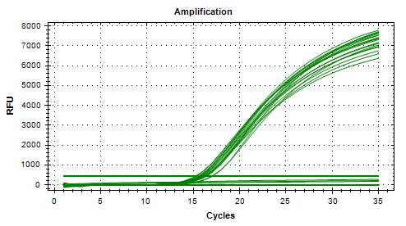
Reading : | 2024-04-05 |  |  |  |  |  |  |  | Unspiked | 0 | 5 | 0 | 0 |  | Specificity | 100%
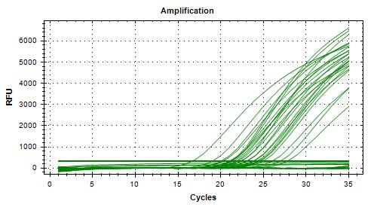
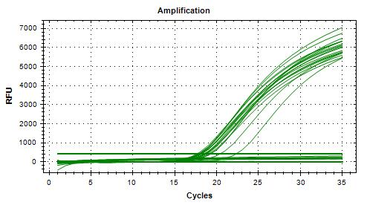
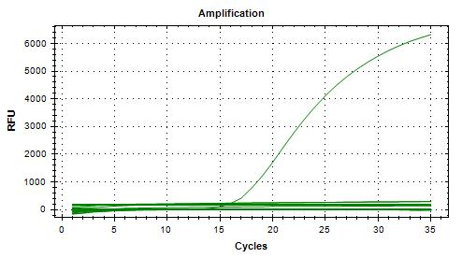
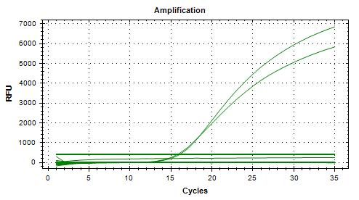
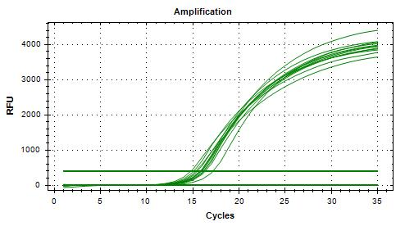
Volume / plate : | 100 µL |  |  |  |  |  |  |  | Spiked | 11 | 9 | 0 | 0 |  | FN rate | 0%
 |  |  |  |  |  |  |  |  |  | 11 | 14 | 0 | 0 |  | FP rate | 0%
Dilution | Rep 1 | Rep 2 | CFU/mL |  |  |  |  |  |  |  |  |  |  |  | Agreement | 100%
1.0E-04 | >300 | >300 | 5800
1.0E-05 | 58 | 58 | 580 | >> 172 µL + 9.83 mL H2Op
1.0E-06 | 6 | 8 | 58 |  |  |  |  |  | Isolation | TP | TN | FP | FN |  | Sensitivity | 100%
Dilution in bold used for calculations |  |  |  |  |  |  |  |  | Unspiked | 0 | 5 | 0 | 0 |  | Specificity | 100%
 |  |  |  |  |  |  |  |  | Spiked | 11 | 9 | 0 | 0 |  | FN rate | 0%
Generic E. coli FD-51 |  |  |  |  |  |  |  |  |  | 11 | 14 | 0 | 0 |  | FP rate | 0%
Plating (TSA) : | 2024-04-04 |  |  |  |  |  |  |  |  |  |  |  |  |  | Agreement | 100%
Reading : | 2024-04-05
Volume / plate : | 100 µL

Dilution | Rep 1 | Rep 2 | CFU/mL
1.0E-04 | >300 | >300 | 5500 |  |  |  |  |  |  |  |  |  |  |  |  |  |  |  |  |  |  | 20240409_122543_CT036336_VT et CF.pcrd |  |  |  |  |  |  |  |  |  | 20240410_145517_CT036336_VT et CF.pcrd |  |  |  |  |  |  | 20240411_084231_CT036336_VT et CF.pcrd |  |  |  |  |  | 20240411_122348_CT036336_VT et CF.pcrd |  |  |  |  |  |  |  |  |  | 20240415_103609_CT036336_VT et CF.pcrd |  |  |  |  |  |  |  |  |  |  |  | Raw date file : 20240417_154822_CT036336_VT et CF.pcrd
1.0E-05 | 61 | 49 | 550 | >> 182 µL + 9.82 mL H2Op
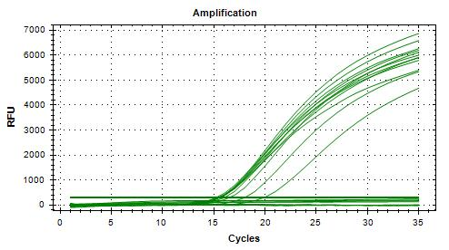
1.0E-06 | 1 | 4 | 55
Dilution in bold used for calculations

VERIFICATION OF FINAL INOCULUM
VTEC E. coli 11-3088 |  |  | CFU/plate
Plating (TSA) : | 2024-04-05 |  | 1 | 0 | 0 | 1 | Mean : | 0.4 | << Actual spiking level (target)
Reading : | 2024-04-06 |  | 0 | 0 | 1 | 1 | POS : | 7 | << 35%
Volume / plate : | 100 µL |  | 1 | 0 | 0 | 0 | NEG : | 13 | << 65%
 |  |  | 0 | 0 | 0 | 0
 |  |  | 0 | 1 | 2 | 0

Generic E. coli FD-51 |  |  | CFU/plate
Plating (TSA) : | 2024-04-05 |  | 11 | 15 | 8 | 5 | Mean : | 9.8 | << Actual spiking level (co-inoculum)
Reading : | 2024-04-06 |  | 12 | 9 | 8 | 6 | POS : | 20 | << 100%
Volume / plate : | 100 µL |  | 8 | 15 | 10 | 7 | NEG : | 0 | << 0% |  |  |  |  |  |  |  |  |  |  |  |  |  |  |  |  |  |  |  |  |  |  |  |  |  |  |  |  |  |  |  |  |  |  |  | 20240417_135352_CT036336_VT et CF.pcrd
 |  |  | 6 | 13 | 14 | 10
 |  |  | 10 | 10 | 7 | 12

BACKGROUND MICROFLORA (MFHPB-18)
Romaine hearts
Plating (PCA) : | 2024-04-08
Reading : | 2024-04-10
Volume / plate : | 1 mL

Dilution | Rep 1 | Rep 2 | CFU/g
1.0E-01 | 113 | 119 | 1.2E+03
1.0E-02 | 16 | 12
1.0E-03 | 2 | 0
1.0E-04 | 0 | 0
1.0E-05 | 0 | 0
1.0E-06 | 0 | 0
1.0E-07 | 0 | 0

Baby spinach
Plating (PCA) : | 2024-04-08
Reading : | 2024-04-10
Volume / plate : | 1 mL

Dilution | Rep 1 | Rep 2 | CFU/g
1.0E-01 | TNTC | TNTC
1.0E-02 | TNTC | TNTC
1.0E-03 | TNTC | TNTC
1.0E-04 | TNTC | TNTC
1.0E-05 | 55 | 68 | 7.3E+06
1.0E-06 | 21 | 17
1.0E-07 | 4 | 3

